SourceSystem
[dbo].[EXEMPLOYEE]
[dbo].[EXJOBHEADER]
[dbo].[EXCOMPANYINFORMATION]
EmployeeNumber9,
EmployeeNumber7,....

CompanyNumber => EntityName (CompanyNumber + Abteilung)

EmployeeNumber
CompanyNumber

JobNumber

[dbo].[EXPROJECT]
ProjectName
[dbo].[EXJOBENTRY]

SPECIFICATIONNAME1
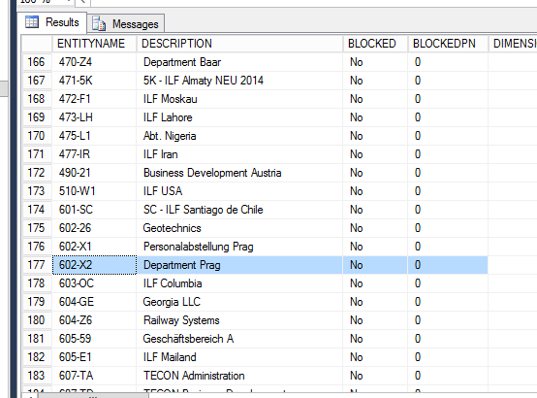
[dbo].[EXPROJECT]
EntityName

[dbo].[EXENTITY]
Tasklist
TaskName

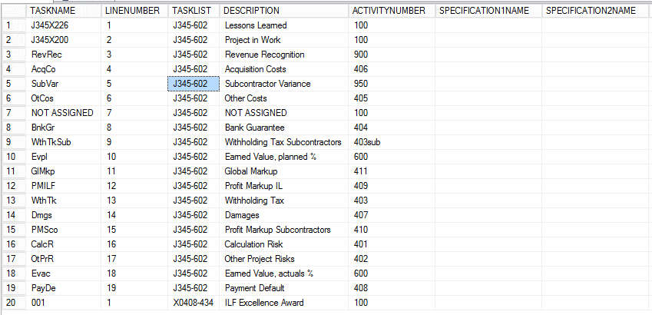
ActivityNumber
[dbo].[EXTASKLISTLINE]

[dbo].[EXJOBACTIVITY]

ActivityNumber = Default Activity

[dbo].[EXACTIVITY]

